Consequence
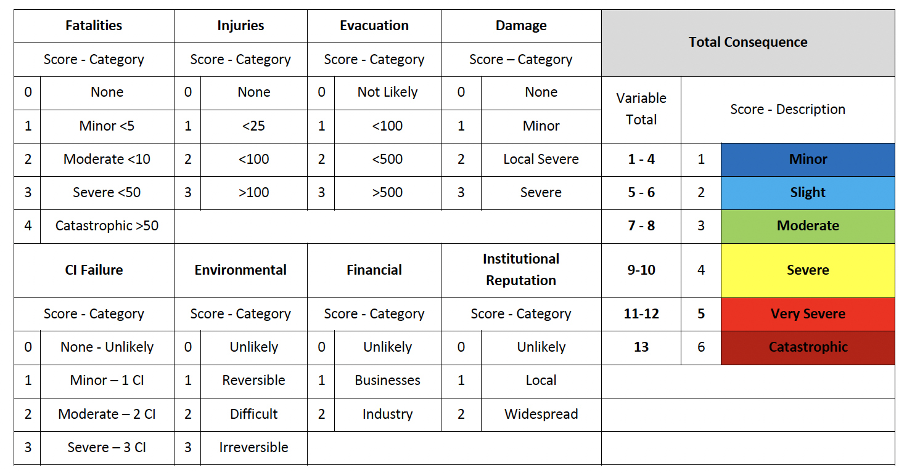
Fatalities |  | Injuries |  | Evacuation |  | Damage |  | Total Consequence
Score | Category | Score | Category | Score | Category | Score | Category | Variable total | Score - Description
0 | None | 0 | Not Likely | 0 | None | 0 | None
1 | Minor - <5 | 1 | <100 | 1 | Minor | 1 | Minor
2 | Moderate <10 | 2 | <500 | 2 | Local Severe | 2 | Local Severe
3 | Severe <50 | 3 | >500 | 3 | Severe | 3 | Severe
4 | Catastrophic >50

Tornados
Enhanced Fujita (EF) Scale
Scale | Wind speed (mph)
EF-0 | 65-85
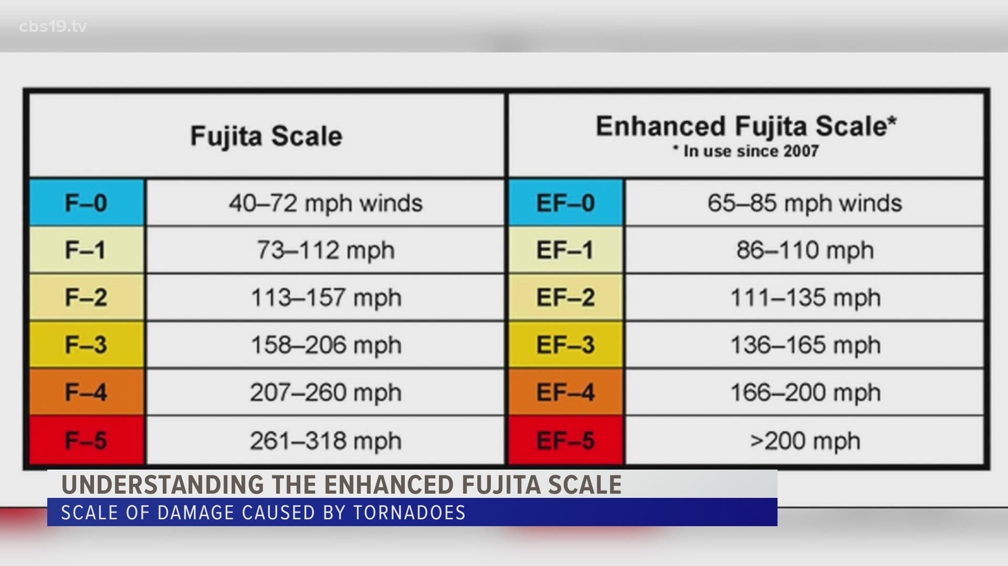
EF-1 | 86-100
EF-2 | 111-135
EF-3 | 136-165
EF-4 | 166-200
EF-5 | >200

